Notes
NOTES TO FINANCIAL STATEMENTS - TFI (drawn up for quarterly reporting periods) Name of the issuer: CIAK Grupa d.d. Personal identification number (OIB): ________________________________________________________ Reporting period: _____________________________________________ Notes to financial statements for quarterly periods include: a) explanation of business events relevant to understanding changes in the statement of financial position and financial performance for the reporting semi-annual period of the issuer with respect to the last business year: information is provided regarding these events and relevant information published in the last annual financial statement is updated (items 15 to 15C IAS 34 - Interim financial reporting) b) information on the access to the latest annual financial statements, for the purpose of understanding information published in the notes to financial statements drawn up for the semi-annual reporting period c) a statement explaining that the same accounting policies are applied while drawing up financial statements for the semi-annual reporting period as in the latest annual financial statements or, in the case where the accounting policies have changed, a description of the nature and effect of the changes (item 16.A (a) IAS 34 - Interim financial reporting) d) a description of the financial performance in the case of the issuer whose business is seasonal (items 37 and 38 IAS 34 - Interim financial reporting) e) other comments prescribed by IAS 34 - Interim financial reporting f) in the notes to quarterly periods financial st

The condensed consolidated financial statements for the nine-month period ended 30 September 2025 have been prepared in accordance with IAS 34 – Interim Financial Reporting, as endorsed by the European Union (EU). The condensed consolidated financial statements do not include all the information and disclosures required in the annual financial statements and should be read in conjunction with the Group’s annual consolidated financial statements as of 31 December 2024. The Group’s annual consolidated financial statements are prepared in accordance with International Financial Reporting Standards (IFRS) as endorsed by EU. Financial statements are available on CIAK Grupa web-site: www.ciak.hr.
The condensed consolidated financial statements for the nine-month period ended September 30, 2025, have been prepared based on the same accounting policies, presentation, and calculation methods used in the preparation of the Group's annual consolidated financial statements as of December 31, 2024.
The Group is not exposed to significant seasonal or cyclical changes in its operations.
As of the date of approval of the condensed consolidated financial statements for the nine-month period ended September 30, 2025, the operations of the CIAK Group are proceeding smoothly. During the reporting period, there were no extraordinary transactions outside the normal course of business.
Other disclosures prescribed by IAS 34 - Interim financial reporting that is not presented elsewhere in the statement of financial position, statement of comprehensive income, statement of cash flows and statement of changes in equity are disclosed in the Notes 4 to 11 of the condensed consolidated financial statements for the nine-month period ended 30 September 2025.
Issuer’s name, registered office (address), legal form, country of establishment, entity’s registration number are disclosed in the sheet General data of this document and in the Note 1 of condensed consolidated financial statements for the nine-month period ended 30 September 2025.
Financial commitments at the consolidated level in term of guarantees that are not included in the balance sheet are not material and Management Board believes that possibility of any outflow is remote. Group has no commitments concerning pensions that are in scope of IAS 19.
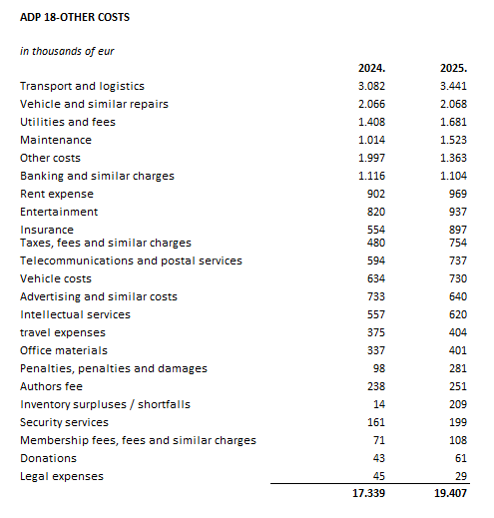

The Group’s lease liabilities maturing after more than five years are presented under ADP 102 and amount to €4,726 thousand as of September 30, 2025.
The Group’s loan liabilities maturing after more than five years are presented under ADP 103 and amount to €10,825 thousand as of September 30, 2025. These liabilities are secured by a mortgage on real estate owned by the related companies.
In the nine-month period ended 30 September 2025, the average number of employees in the Group was 3.444. Group does not categorise employees.
No cost of salaries was capitalised in the nine-month period ended 30 September 2025.
During 2025, there were no movements in the positions of deferred tax assets or deferred tax liabilities.
The amount and nominal value of the shares are disclosed in the notes to the unconsolidated financial statements of Ciak Grupa d.d.
Group has no participation certificates, convertible debentures, warrants, options or similar securities or rights.
Group has no shares in companies having unlimited liability.
The consolidated financial statements of the issuer cover the largest group of companies. The majority owner of the issuer is Ivan Leko.
The Group has no material transactions with related parties.
There are no significant events that have occurred after the balance sheet date that are not reflected in the income statement or balance sheet.
Lease liabilties arising from the application of IFRS 16 are stated under ADP 102 and ADP 114, while right-of-use assets are stated under ADP 18.
Provisions are presented in accordance with liabilities by maturity, so short-term provisions are shown under ADP 123, and as of September 30, 2025, they amount to €875 thousand.

